Lab 3
Rationale:
This lab looks at secondary data published by Statistics NZ: the Retail Trade Survey. This quarterly survey looks at the retail sector, as divided into 13 'core industries' (plus motor vehicles and fuel), for the 9 most recent quarters. The data are reported in 'actual values' (Table 1); seasonally adjusted (Table 3); and using various price-deflators, such as constant 2010 prices (Table 2). There are plenty of other tables as well in the original files; I've extracted the first three.
This lab comprises 8 tasks over 3 sheets. You will create charts from selected data in the tables, and create other tables from the existing data. For the charts, I suggest copying all the needed data to the Workings sheet first, and then deleting the dummy columns (which are there for nice table formatting only). This should make charting easier. Then copy the charts back to each Table sheet.
In Task 4 you are asked to calculate means and medians for a supplied dataset (from IRI), and interpret the table.
115.109: Topic 3 Lab Worksheet |  |  |  |  |  | Your Name: | Mishal Joytisha Charan
Due date: August 17 |  |  | Version: 1.2 (13.08) |  |  | Student ID: | 26013994

Table 1 |  | Retail Trade Survey: December 2025 quarter
 |  | https://www.stats.govt.nz/information-releases/retail-trade-survey-december-2025-quarter/
Actual retail sales values(1)
By quarter by industry |  | 1. Figures exclude GST. |  |  |  | $(million)

 |  | 2023 |  | 2024 |  |  |  | 2025
Industry |  | Dec |  | Mar | Jun | Sep | Dec | Mar | June | Sep | Dec |  | Task 1: Line Chart: Supermarket sales values Dec23-Dec25
Supermarket and grocery stores |  | 7,076 |  | 6,790 | 6,507 | 6,566 | 7,196 | 6,943 | 6,736 | 6,796 | 7,375 |  | Suggestion: copy cells E12:U12 to the 'Workings tab' and follow instructions there
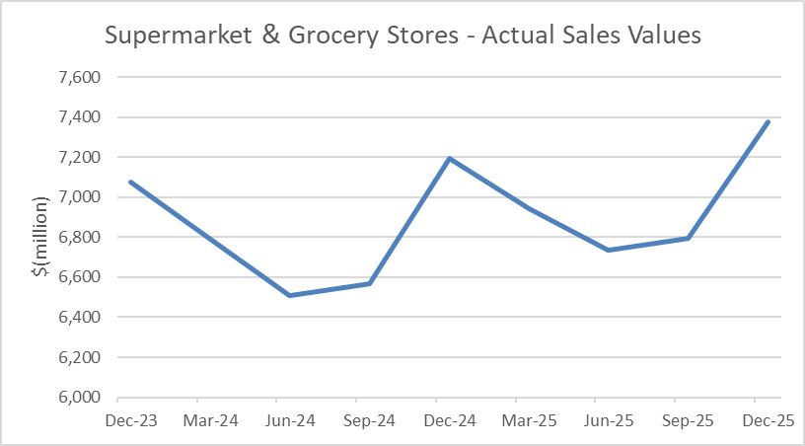
Specialised food |  | 544 |  | 475 | 469 | 456 | 549 | 499 | 475 | 484 | 590
Liquor |  | 593 |  | 545 | 501 | 503 | 612 | 522 | 480 | 472 | 600
Non-store and commission-based retailing |  | 597 |  | 479 | 461 | 489 | 544 | 462 | 480 | 484 | 560
Department stores |  | 2,190 |  | 1,562 | 1,686 | 1,531 | 2,173 | 1,573 | 1,706 | 1,615 | 2,190
Furniture, floor coverings, houseware, textiles |  | 863 |  | 721 | 748 | 753 | 871 | 738 | 760 | 772 | 910
Hardware, building, and garden supplies |  | 2,926 |  | 2,525 | 2,527 | 2,565 | 2,859 | 2,465 | 2,492 | 2,600 | 2,922
Recreational goods |  | 944 |  | 774 | 700 | 647 | 968 | 788 | 737 | 696 | 1,064
Clothing, footwear, and accessories |  | 1,499 |  | 1,191 | 1,231 | 1,113 | 1,500 | 1,234 | 1,234 | 1,121 | 1,552
Electrical and electronic goods |  | 1,000 |  | 845 | 840 | 847 | 1,007 | 847 | 907 | 969 | 1,163
Pharmaceutical and other store-based retailing |  | 2,215 |  | 1,991 | 2,006 | 1,954 | 2,304 | 2,141 | 2,139 | 2,155 | 2,590
Accommodation |  | 1,418 |  | 1,656 | 1,139 | 1,094 | 1,525 | 1,710 | 1,208 | 1,170 | 1,607
Food and beverage services |  | 4,124 |  | 3,965 | 3,821 | 3,825 | 4,254 | 4,004 | 3,904 | 4,049 | 4,431
Core industries total |  | 25,988 |  | 23,520 | 22,635 | 22,344 | 26,364 | 23,925 | 23,257 | 23,383 | 27,552
Motor vehicles and parts |  | 3,918 |  | 3,905 | 3,750 | 3,875 | 3,882 | 4,016 | 4,058 | 4,341 | 4,277
Fuel |  | 2,662 |  | 2,531 | 2,398 | 2,252 | 2,384 | 2,431 | 2,189 | 2,169 | 2,402
All industries total |  | 32,569 |  | 29,956 | 28,783 | 28,471 | 32,629 | 30,372 | 29,504 | 29,893 | 34,232

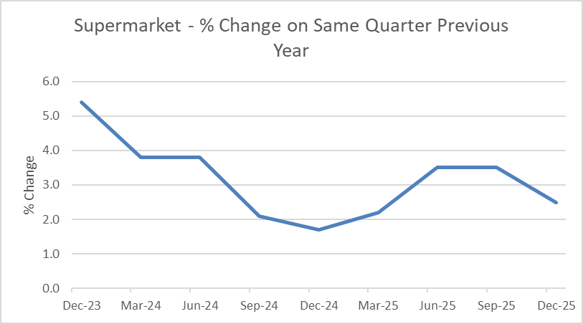
Percentage change from same quarter previous year(2) |  |  |  |  |  |  |  |  |  |  |  |  | Task 2: Line Chart: Supermarket % change on same quarter previous year
Supermarket and grocery stores |  | 5.4 |  | 3.8 | 3.8 | 2.1 | 1.7 | 2.2 | 3.5 | 3.5 | 2.5 |  | Suggestion: copy cells E31:U31 to the 'Workings tab' and follow instructions there
Specialised food |  | -3.9 |  | 0.6 | 4.0 | -2.6 | 1.0 | 4.9 | 1.2 | 6.2 | 7.3
Liquor |  | -9.5 |  | 2.9 | 2.3 | 3.4 | 3.3 | -4.3 | -4.2 | -6.1 | -2.0
Non-store and commission-based retailing |  | -6.0 |  | -2.5 | -10.2 | -3.9 | -8.8 | -3.6 | 4.3 | -1.1 | 2.8
Department stores |  | -3.6 |  | -6.3 | -5.1 | -6.1 | -0.8 | 0.7 | 1.1 | 5.4 | 0.8
Furniture, floor coverings, houseware, textiles |  | -3.4 |  | -7.2 | -6.4 | -3.2 | 1.0 | 2.4 | 1.6 | 2.5 | 4.4
Hardware, building, and garden supplies |  | -6.5 |  | -7.6 | -6.3 | -5.2 | -2.3 | -2.4 | -1.4 | 1.3 | 2.2
Recreational goods |  | -6.7 |  | -3.2 | -5.4 | -8.7 | 2.6 | 1.7 | 5.2 | 7.5 | 9.9
Clothing, footwear, and accessories |  | -2.3 |  | -2.1 | -1.1 | -4.4 | 0.1 | 3.6 | 0.3 | 0.7 | 3.5
Electrical and electronic goods |  | -1.2 |  | -5.3 | -10.4 | -4.8 | 0.6 | 0.3 | 8.0 | 14.4 | 15.5
Pharmaceutical and other store-based retailing |  | 5.9 |  | 9.4 | 7.2 | 3.3 | 4.0 | 7.6 | 6.6 | 10.3 | 12.4
Accommodation |  | 8.6 |  | 11.7 | -2.5 | -9.5 | 7.5 | 3.2 | 6.1 | 7.0 | 5.4
Food and beverage services |  | 4.2 |  | 5.6 | 1.4 | -0.8 | 3.2 | 1.0 | 2.2 | 5.9 | 4.1
Core industries total |  | 0.8 |  | 1.5 | -0.4 | -1.7 | 1.4 | 1.7 | 2.7 | 4.6 | 4.5
Motor vehicles and parts |  | -4.1 |  | -2.9 | -10.7 | -4.6 | -0.9 | 2.8 | 8.2 | 12.1 | 10.2
Fuel |  | -5.7 |  | -1.3 | 2.7 | -10.4 | -10.5 | -3.9 | -8.7 | -3.7 | 0.8
All industries total |  | -0.4 |  | 0.6 | -1.6 | -2.8 | 0.2 | 1.4 | 2.5 | 5.0 | 4.9

Median is preferred. Certain sectors experience extreme Quarterly variation (e.g. accommodation: -31.2% to +39.4% ; department stores: -28.7% to +41.9%) , skewing the average from the median. Because the median remains unaffected by these outliers it offers a more consistent view of the average quarterly change within all sectors.
Task 3: Complete Percentage Change on previous quarter: Values
Percentage change from previous quarter |  |  |  |  |  |  |  |  |  |  |  | Mean | Median | Which is a better indicator of central tendency for this data: mean or median? (overall)
Supermarket and grocery stores |  | 10.1 |  | -4.0 | -4.2 | 0.9 | 9.6 | -3.5 | -3.0 | 0.9 | 8.5 | 1.7 | 0.9
Specialised food |  | 16.2 |  | -12.7 | -1.3 | -2.8 | 20.4 | -9.1 | -4.8 | 1.9 | 21.9 | 3.3 | -1.3
Liquor |  | 22.0 |  | -8.1 | -8.1 | 0.4 | 21.7 | -14.7 | -8.0 | -1.7 | 27.1 | 3.4 | -1.67
Non-store and commission-based retailing |  | 17.3 |  | -19.8 | -3.8 | 6.1 | 11.2 | -15.1 | 3.9 | 0.8 | 15.7 | 1.8 | 3.9
Be careful with pasting: copy across first (simple paste)
Then copy cells G51:U51 and use Paste Special > Formula for cells G52:U66
Department stores |  | 34.4 |  | -28.7 | 7.9 | -9.2 | 41.9 | -27.6 | 8.5 | -5.3 | 35.6 | 6.4 | 7.9
Furniture, floor coverings, houseware, textiles |  | 10.9 |  | -16.5 | 3.7 | 0.7 | 15.7 | -15.3 | 3.0 | 1.6 | 17.9 | 2.4 | 3.0
Hardware, building, and garden supplies |  | 8.1 |  | -13.7 | 0.1 | 1.5 | 11.5 | -13.8 | 1.1 | 4.3 | 12.4 | 1.3 | 1.5
Recreational goods |  | 33.3 |  | -18.0 | -9.6 | -7.6 | 49.6 | -18.6 | -6.5 | -5.6 | 52.9 | 7.8 | -6.5
Clothing, footwear, and accessories |  | 28.8 |  | -20.5 | 3.4 | -9.6 | 34.8 | -17.7 | 0.0 | -9.2 | 38.4 | 5.4 | 0.0
Electrical and electronic goods |  | 12.4 |  | -15.5 | -0.6 | 0.8 | 18.9 | -15.9 | 7.1 | 6.8 | 20.0 | 3.8 | 6.8
Pharmaceutical and other store-based retailing |  | 17.1 |  | -10.1 | 0.8 | -2.6 | 17.9 | -7.1 | -0.1 | 0.7 | 20.2 | 4.1 | 0.7
Accommodation |  | 17.4 |  | 16.8 | -31.2 | -4.0 | 39.4 | 12.1 | -29.4 | -3.1 | 37.4 | 6.2 | 12.1
Food and beverage services |  | 6.9 |  | -3.9 | -3.6 | 0.1 | 11.2 | -5.9 | -2.5 | 3.7 | 9.4 | 1.7 | 0.1
Core industries total |  | 14.4 |  | -9.5 | -3.8 | -1.3 | 18.0 | -9.3 | -2.8 | 0.5 | 17.8 | 2.7 | -1.3
Motor vehicles and parts |  | -3.5 |  | -0.3 | -4.0 | 3.3 | 0.2 | 3.5 | 1.0 | 7.0 | -1.5 | 0.6 | 0.2
Fuel |  | 5.8 |  | -4.9 | -5.3 | -6.1 | 5.9 | 2.0 | -10.0 | -0.9 | 10.7 | -0.3 | -0.9
All industries total |  | 11.2 |  | -8.0 | -3.9 | -1.1 | 14.6 | -6.9 | -2.9 | 1.3 | 14.5 | 2.1 | -1.1

Supermarkets and grocery stores constitute the majority of main retail at approximately 27–29% of the total main retail sales some 2.2 times the size of the second next biggest industry (food and beverage services at about 16–17%). Grocery's dominant status in the retail sector has not, in any appreciable amount, shifted during that period, in shape or form, as the share has remained quite consistent across nine quarters (26.8% and 29.4%).
Task 4: Complete Percentage of "Core Industries" total
Percentage of Core Industries Total |  |  |  |  |  |  |  |  |  |  |  | Mean | Median
Supermarket and grocery stores |  | 27.2 |  | 28.9 | 28.7 | 29.4 | 27.3 | 29.0 | 29.0 | 29.1 | 26.8 | 28.4 | 28.9 | How important is the grocery part of the sector? What is the trend in this?
Specialised food |  | 2.1 |  | 2.0 | 2.1 | 2.0 | 2.1 | 2.1 | 2.0 | 2.1 | 2.1 | 2.1 | 2.1
Liquor |  | 2.3 |  | 2.3 | 2.2 | 2.3 | 2.3 | 2.2 | 2.1 | 2.0 | 2.2 | 2.2 | 2.2
Non-store and commission-based retailing |  | 2.3 |  | 2.0 | 2.0 | 2.2 | 2.1 | 1.9 | 2.1 | 2.1 | 2.0 | 2.1 | 2.1
Department stores |  | 8.4 |  | 6.6 | 7.4 | 6.9 | 8.2 | 6.6 | 7.3 | 6.9 | 7.9 | 7.4 | 7.3
Furniture, floor coverings, houseware, textiles |  | 3.3 |  | 3.1 | 3.3 | 3.4 | 3.3 | 3.1 | 3.3 | 3.3 | 3.3 | 3.3 | 3.3
Hardware, building, and garden supplies |  | 11.3 |  | 10.7 | 11.2 | 11.5 | 10.8 | 10.3 | 10.7 | 11.1 | 10.6 | 10.9 | 10.84
Recreational goods |  | 3.6 |  | 3.3 | 3.1 | 2.9 | 3.7 | 3.3 | 3.2 | 3.0 | 3.9 | 3.3 | 3.3
Clothing, footwear, and accessories |  | 5.8 |  | 5.1 | 5.4 | 5.0 | 5.7 | 5.2 | 5.3 | 4.8 | 5.6 | 5.3 | 5.3
Electrical and electronic goods |  | 3.8 |  | 3.6 | 3.7 | 3.8 | 3.8 | 3.5 | 3.9 | 4.1 | 4.2 | 3.8 | 3.8
Pharmaceutical and other store-based retailing |  | 8.5 |  | 8.5 | 8.9 | 8.7 | 8.7 | 8.9 | 9.2 | 9.2 | 9.4 | 8.9 | 8.9
Accommodation |  | 5.5 |  | 7.0 | 5.0 | 4.9 | 5.8 | 7.1 | 5.2 | 5.0 | 5.8 | 5.7 | 5.5
Food and beverage services |  | 15.9 |  | 16.9 | 16.9 | 17.1 | 16.1 | 16.7 | 16.8 | 17.3 | 16.1 | 16.6 | 16.8
Core industries total |  | 100.0 |  | 100.0 | 100.0 | 100.0 | 100.0 | 100.0 | 100.0 | 100.0 | 100.0 | 100.0 | 100.0
 |  |  |  |  |  |  |  |  |  |  |  | =average() | =median()

Table 2 |  | Retail Trade Survey: December 2025 quarter
 |  | https://www.stats.govt.nz/information-releases/retail-trade-survey-december-2024-quarter/
Actual retail sales volumes (expressed in September 2010 quarter prices)(1)
By quarter by industry

 |  | 2023 |  | 2024 |  |  |  | 2025
Industry |  | Dec |  | Mar | Jun | Sep | Dec | Mar | June | Sep | Dec |  | Task 5: Line Chart: Supermarket sales volumes (3Q 2010 prices) Dec23-Dec25 |  | (see workings tab)
Supermarket and grocery stores |  | 5,054 |  | 4,795 | 4,605 | 4,598 | 5,075 | 4,788 | 4,592 | 4,555 | 4,990
Specialised food |  | 387 |  | 340 | 339 | 321 | 392 | 351 | 327 | 319 | 397
Liquor |  | 485 |  | 441 | 396 | 394 | 481 | 407 | 378 | 369 | 472
Non-store and commission-based retailing |  | 553 |  | 445 | 434 | 453 | 499 | 427 | 447 | 447 | 515
Department stores |  | 2,360 |  | 1,704 | 1,855 | 1,679 | 2,368 | 1,738 | 1,912 | 1,806 | 2,423
Furniture, floor coverings, houseware, textiles |  | 724 |  | 621 | 632 | 639 | 741 | 625 | 644 | 668 | 764
Hardware, building, and garden supplies |  | 2,293 |  | 1,977 | 1,983 | 2,018 | 2,240 | 1,932 | 1,944 | 2,022 | 2,291
Recreational goods |  | 884 |  | 729 | 653 | 606 | 911 | 740 | 695 | 655 | 994
Clothing, footwear, and accessories |  | 1,394 |  | 1,106 | 1,134 | 1,023 | 1,378 | 1,128 | 1,114 | 1,004 | 1,363
Electrical and electronic goods |  | 2,305 |  | 1,992 | 2,014 | 2,042 | 2,403 | 2,062 | 2,320 | 2,517 | 2,879
Pharmaceutical and other store-based retailing |  | 1,868 |  | 1,656 | 1,675 | 1,622 | 1,816 | 1,674 | 1,680 | 1,689 | 2,037
Accommodation |  | 851 |  | 951 | 729 | 685 | 886 | 973 | 759 | 722 | 933
Food and beverage services |  | 2,713 |  | 2,580 | 2,468 | 2,460 | 2,718 | 2,550 | 2,473 | 2,545 | 2,767
Core industries total |  | 21,873 |  | 19,338 | 18,917 | 18,540 | 21,908 | 19,394 | 19,282 | 19,316 | 22,826
Motor vehicles and parts |  | 3,464 |  | 3,502 | 3,409 | 3,555 | 3,516 | 3,624 | 3,623 | 3,883 | 3,816
Fuel |  | 1,537 |  | 1,496 | 1,416 | 1,417 | 1,525 | 1,482 | 1,396 | 1,378 | 1,481
All industries total |  | 26,875 |  | 24,336 | 23,743 | 23,512 | 26,949 | 24,500 | 24,301 | 24,577 | 28,122

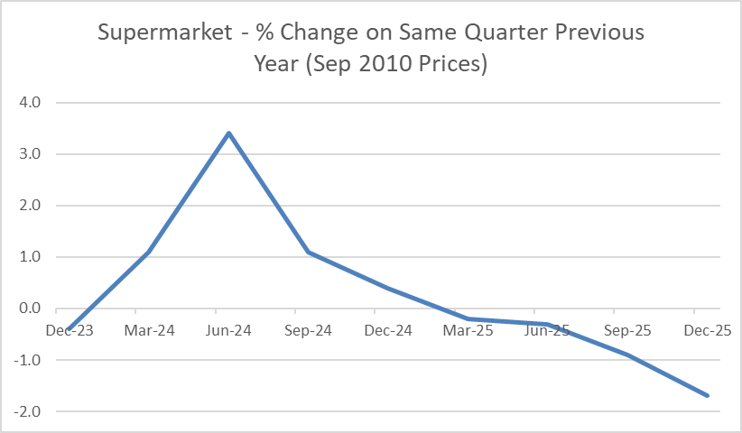
Percentage change from same quarter previous year(2) |  |  |  |  |  |  |  |  |  |  |  |  | Task 6: Line Chart: Supermarket % change on same quarter previous year (3Q Sep10 prices) |  |  | (see workings tab)
Supermarket and grocery stores |  | -0.4 |  | 1.1 | 3.4 | 1.1 | 0.4 | -0.2 | -0.3 | -0.9 | -1.7
Specialised food |  | -8.1 |  | 0.6 | 6.6 | -1.7 | 1.2 | 3.2 | -3.6 | -0.6 | 1.4
Liquor |  | -16.1 |  | -4.0 | -4.1 | -1.6 | -0.9 | -7.8 | -4.8 | -6.5 | -1.8
Non-store and commission-based retailing |  | -8.4 |  | -3.6 | -9.5 | -4.0 | -9.8 | -4.2 | 3.2 | -1.2 | 3.1
Department stores |  | -4.0 |  | -6.4 | -4.0 | -6.1 | 0.3 | 2.0 | 3.1 | 7.6 | 2.3
Furniture, floor coverings, houseware, textiles |  | -4.1 |  | -5.4 | -5.2 | -3.4 | 2.4 | 0.7 | 1.8 | 4.5 | 3.2
Hardware, building, and garden supplies |  | -8.4 |  | -9.5 | -6.1 | -4.9 | -2.3 | -2.3 | -2.0 | 0.2 | 2.3
Recreational goods |  | -9.0 |  | -4.9 | -6.8 | -9.2 | 3.0 | 1.5 | 6.3 | 8.1 | 9.1
Clothing, footwear, and accessories |  | -5.8 |  | -5.9 | -3.5 | -6.6 | -1.1 | 2.0 | -1.8 | -1.9 | -1.2
Electrical and electronic goods |  | 1.6 |  | 0.0 | -8.2 | -1.6 | 4.2 | 3.5 | 15.2 | 23.3 | 19.8
Pharmaceutical and other store-based retailing |  | 1.0 |  | 4.0 | 5.6 | 1.1 | -2.8 | 1.1 | 0.3 | 4.2 | 12.2
Accommodation |  | 2.8 |  | 5.9 | -4.8 | -9.2 | 4.1 | 2.3 | 4.1 | 5.3 | 5.3
Food and beverage services |  | -2.7 |  | -0.6 | -2.9 | -3.9 | 0.2 | -1.1 | 0.2 | 3.5 | 1.8
Core industries total |  | -3.2 |  | -1.7 | -2.2 | -2.8 | 0.2 | 0.3 | 1.9 | 4.2 | 4.2
Motor vehicles and parts |  | -7.1 |  | -3.6 | -9.0 | 0.0 | 1.5 | 3.5 | 6.3 | 9.2 | 8.5
Fuel |  | -10.2 |  | -7.9 | -8.3 | -4.5 | -0.8 | -0.9 | -1.4 | -2.8 | -2.9
All industries total |  | -4.1 |  | -2.4 | -3.6 | -2.5 | 0.3 | 0.7 | 2.3 | 4.5 | 4.4

Task 7: Complete Percentage Change on previous quarter: Volumes
Percentage change from previous quarter
Supermarket and grocery stores |  | 11.1 |  | -5.1 | -4.0 | -0.2 | 10.4 | -5.7 | -4.1 | -0.8 | 9.5
Specialised food |  | 18.3 |  | -12.1 | -0.3 | -5.3 | 22.1 | -10.5 | -6.8 | -2.4 | 24.5
Liquor |  | 20.9 |  | -9.1 | -10.2 | -0.5 | 22.1 | -15.4 | -7.1 | -2.4 | 27.9
Non-store and commission-based retailing |  | 17.4 |  | -19.5 | -2.5 | 4.4 | 10.2 | -14.4 | 4.7 | 0.0 | 15.2
Department stores |  | 32.1 |  | -27.8 | 8.9 | -9.5 | 41.0 | -26.6 | 10.0 | -5.5 | 34.2
Furniture, floor coverings, houseware, textiles |  | 9.4 |  | -14.2 | 1.8 | 1.1 | 16.0 | -15.7 | 3.0 | 3.7 | 14.4
Hardware, building, and garden supplies |  | 8.1 |  | -13.8 | 0.3 | 1.8 | 11.0 | -13.8 | 0.6 | 4.0 | 13.3
Recreational goods |  | 32.5 |  | -17.5 | -10.4 | -7.2 | 50.3 | -18.8 | -6.1 | -5.8 | 51.8
Clothing, footwear, and accessories |  | 27.3 |  | -20.7 | 2.5 | -9.8 | 34.7 | -18.1 | -1.2 | -9.9 | 35.8
Electrical and electronic goods |  | 11.1 |  | -13.6 | 1.1 | 1.4 | 17.7 | -14.2 | 12.5 | 8.5 | 14.4
Pharmaceutical and other store-based retailing |  | 16.5 |  | -11.3 | 1.1 | -3.2 | 12.0 | -7.8 | 0.4 | 0.5 | 20.6
Accommodation |  | 12.7 |  | 11.8 | -23.3 | -6.0 | 29.3 | 9.8 | -22.0 | -4.9 | 29.2
Food and beverage services |  | 6.0 |  | -4.9 | -4.3 | -0.3 | 10.5 | -6.2 | -3.0 | 2.9 | 8.7
Core industries total |  | 14.7 |  | -11.6 | -2.2 | -2.0 | 18.2 | -11.5 | -0.6 | 0.2 | 18.2
Motor vehicles and parts |  | -2.6 |  | 1.1 | -2.7 | 4.3 | -1.1 | 3.1 | 0.0 | 7.2 | -1.7
Fuel |  | 3.6 |  | -2.7 | -5.3 | 0.1 | 7.6 | -2.8 | -5.8 | -1.3 | 7.5
All industries total |  | 11.5 |  | -9.4 | -2.4 | -1.0 | 14.6 | -9.1 | -0.8 | 1.1 | 14.4

Task 8: In the IRI SKUs sheet:
Data obtained from the Temple plugin for Excel, provided by IRI. See instructions in Stream Topic 3 for how to connect to the Temple plugin for Excel if you wish to replicate the data (not necessary, but a good idea)
See instructions in Stream Topic 3 for how extract information using the Temple plugin for Excel . (We will use this tool in future labs, so good to practice now.)
1) Sort the data in the IRI SKUs sheet by sales Dollars (column B) in descending order (ie, best-selling products should be at the top, after Total Widgets).
Many of the products show no sales ($0 and 0 sales units) so these products can be ignored in what follows. NB: you could delete them instead, but this screws up the cell referencing that follows, so don't!)
2) In column M, create cumulative sales dollars by progressively adding the current row's sales dollars to the previous rows (ignoring Total Widgets)
In cell M7, insert the formula =B7. In cell M8, insert the formula =M7+B8, and copy down. This will create a running (cumulative) total of sales dollars.
3) How many products have $0 sales recorded for the period?
Create a line chart (cumulative sales: column M; leave the X-axis blank). Paste it below, using Paste Special > as picture |  |  |  |  |  | 10
4) In IRI SKUs cells C88 & C89, calculate mean & median units sold |  |  |  |  |  |  | Mean: | 217369 |  | Median: | 60353

O164 ($5.31/unit) is a weighted average (total dollars ÷ total units) and as such those that sell more will have a greater impact on results. O164 is a plain average of the price per unit of each product sold, equally weighting all products regardless of their quantities sold. Since high selling and low selling items have different prices the two averages will be different.
5) In cells E88 & E89, calculate mean & median price per unit, and copy here: |  |  |  |  |  |  | Mean: | 5.31 |  | Median: | 5.43
6) Why does the mean price you just calculated differ from the value in cell E6 (Total Widgets price per unit)?

7) How many products are in the above mean price set? |  |  |  |  | 44 | How many are in the below mean price set? |  |  |  |  | 25

8) How many products are in the above median price set? |  |  |  |  | 34 | How many are in the below median price set? |  |  |  |  | 35
9) Calculate total units sold for products that are above vs below mean price |  |  |  |  |  |  | Total units sold above: |  | 7,349,610 |  | Total units sold below: |  | 7,648,851
10) Calculate total sales dollars for products that are above vs below mean price |  |  |  |  |  |  | Total dollars above: |  | 45,894,666 |  | Total dollars below: |  | 29,114,643

Chart of cumulative sales dollars:

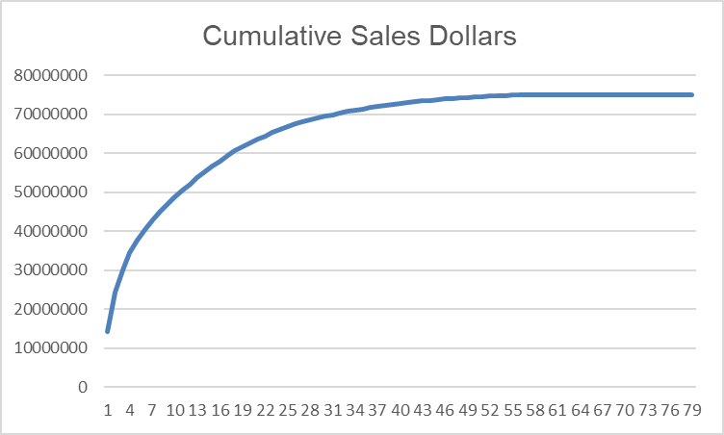

<<End of Lab 3>>

AI Declaration for Lab 3:
TRUE | I have not used any AI tools or technologies to prepare this assessment
 | OR
FALSE | I acknowledge the use of [AI tool or technology name and link] to generate [summary of what was generated]:
AI tool used:
I entered the following prompt(s):
I used the output to / I modified the output to: [expand as necessary]

Workings
 |  | PASTE ALL REQUESTED DATA HERE, then delete the blank (formatting) columns D, F, H… to insert individual line charts.
Location: |  | Dec-23 | Mar-24 | Jun-24 | Sep-24 | Dec-24 | Mar-25 | Jun-25 | Sep-25 | Dec-25
Task 1: Table 1 row 12 | Actual Supermarket sales values Dec23-Dec25 | 7,076 | 6,790 | 6,507 | 6,566 | 7,196 | 6,943 | 6,736 | 6,796 | 7,375
Task 2: Table 1 row 31 | Supermarket % change on same quarter previous year | 5.4 | 3.8 | 3.8 | 2.1 | 1.7 | 2.2 | 3.5 | 3.5 | 2.5
Task 5: Table 2 row 95 | Supermarket sales volumes (3Q 2010 prices) Dec23-Dec25 | 5,054 | 4,795 | 4,605 | 4,598 | 5,075 | 4,788 | 4,592 | 4,555 | 4,990
Task 6 Table 2 row 114 | Supermarket % change on same quarter previous year (3Q 2010 prices) | -0.4 | 1.1 | 3.4 | 1.1 | 0.4 | -0.2 | -0.3 | -0.9 | -1.7
Create graphs from each row, in separate charts
You can create one 'pretty' graph as per below, then copy and paste that chart and amend the row the chart is pulling data from (eg from C3:S3 for actual sales values, to C4:S4 for % change) - use the formula bar to edit
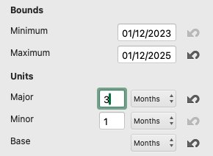
Make graphs 'pretty' with axis titles - can remove legend if this duplicates chart title
Hint: make sure the X-axis shows the quarters ending March, June…. Excel wil default to 2-monthly axis labels.
→ To change axis labels: double-click the axis text, choose Axis Options and change Major units to 3 monthly

→ To add axis titles: click on the chart and choose Chart Tools > Design menu option; click on Add Chart Element > Primary Vertical.
→ Despite the text being side-ways, you can edit it normally by double-clicking and typing to replace.
Example: raw chart and some modifications:
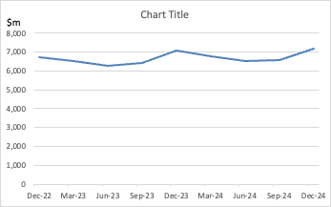
(older chart: yours will be from Dec23-Dec25)
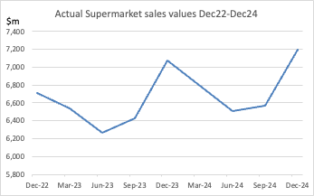
(older chart: yours will be from Dec23-Dec25)

Example: finished chart (% change on same quarter previous year)
Fixed: x-axis options > units > 3 months
Added: Horizontal and Vertical Axis titles; changed chart title; removed legend
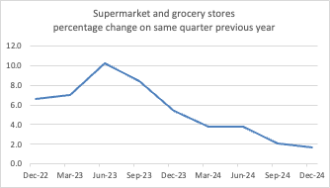

(older chart: yours will be from Dec23-Dec25)

(legend removed since there is only one series: legend would match title)

Insert charts here, and when finished editing, copy back to Lab 3 (as images)

Supermarket & Grocery Stores - Actual Sales Values
Dec-23 | 7,076
Mar-24 | 6,790
Jun-24 | 6,507
Sep-24 | 6,566
Dec-24 | 7,196
Mar-25 | 6,943
Jun-25 | 6,736
Sep-25 | 6,796
Dec-25 | 7,375

Supermarket - % Change on Same Quarter Previous Year
Dec-23 | 5.4
Mar-24 | 3.8
Jun-24 | 3.8
Sep-24 | 2.1
Dec-24 | 1.7
Mar-25 | 2.2
Jun-25 | 3.5
Sep-25 | 3.5
Dec-25 | 2.5

Supermarket sales volumes (3Q 2010 prices)
Dec-23 | 5,054
Mar-24 | 4,795
Jun-24 | 4,605
Sep-24 | 4,598
Dec-24 | 5,075
Mar-25 | 4,788
Jun-25 | 4,592
Sep-25 | 4,555
Dec-25 | 4,990

Supermarket - % Change on Same Quarter Previous Year (Sep 2010 Prices)
Dec-23 | -0.4
Mar-24 | 1.1
Jun-24 | 3.4
Sep-24 | 1.1
Dec-24 | 0.4
Mar-25 | -0.2
Jun-25 | -0.3
Sep-25 | -0.9
Dec-25 | -1.7

IRI SKUs
IRI SKUs Ranking Report - All SKUs
Data retreived via Temple plugin

MAT To 19/06/22 | New Zealand Grocery
Brand (Stock Keeping Unit) | Dollars | Units | Dist Num% | Price $/Unit | Highest Weekly Price | Lowest Weekly Price | Markets On Promotion | Promoted Price >= 3 % 9 wks | Non Promoted Price $/Unit >= 3 % 9 wks | Percentage Discount >= 3 % 9 wks | Wks on Promotion >= 3 % 9 wks | Cumulative sales dollars
Total Widgets | 75009312 | 14998461 | 99 | 5.00 | 5.37 | 4.52 | 18 | 4.61 | 5.54 | 9.8 | 52 |  | Total Widgets
Better Super Doopers 1.2kg | 14321003 | 2171901 | 99 | 6.59 | 7.29 | 5.34 | 18 | 6.20 | 7.25 | 9.0 | 50 | 14321003
Better Super Doopers 750g | 10084678 | 2051288 | 99 | 4.92 | 5.58 | 4.44 | 18 | 4.55 | 5.49 | 10.5 | 49 | 24405681
Better Super Doopers Bites WildNeon 500g | 5762435 | 1002865 | 98 | 5.75 | 6.21 | 5.45 | 18 | 5.56 | 5.95 | 3.4 | 47 | 30168116
Best Crunchy Pieces Super 500g | 4294236 | 1214490 | 97 | 3.54 | 4.08 | 2.84 | 18 | 3.23 | 4.08 | 13.4 | 50 | 34462351
Better Super Doopers 375g | 3308473 | 903122 | 98 | 3.66 | 3.89 | 3.50 | 16 | 3.51 | 3.75 | 2.3 | 38 | 37770824
Best Super Racing Neon 500g | 2625819 | 491636 | 97 | 5.34 | 5.99 | 4.90 | 18 | 4.90 | 5.85 | 8.7 | 47 | 40396643
Best Chippies 460g | 2433652 | 689067 | 94 | 3.53 | 4.11 | 2.81 | 18 | 3.22 | 4.12 | 14.4 | 50 | 42830295
Best Light N Tasty Rice 525g | 2030377 | 379272 | 94 | 5.35 | 5.99 | 4.95 | 18 | 4.90 | 5.86 | 8.6 | 48 | 44860672
Best Crunchy Pieces Super 300g | 2026266 | 838323 | 80 | 2.42 | 3.11 | 1.69 | 18 | 2.15 | 3.10 | 22.1 | 50 | 46886938
Better Super Doopers Rust Free 375g | 1806725 | 276119 | 95 | 6.54 | 7.30 | 6.06 | 18 | 6.11 | 7.08 | 7.6 | 52 | 48693664
Fasterod Rolls Original 790g | 1754694 | 216745 | 74 | 8.10 | 9.45 | 5.93 | 14 | 7.51 | 9.60 | 15.7 | 52 | 50448358
Better Super Doopers Bites Crunchy Lemon 510g | 1601625 | 278089 | 89 | 5.76 | 6.25 | 5.43 | 18 | 5.62 | 5.95 | 3.2 | 45 | 52049983
Better Super Doopers Cholesterol Lowering 440g | 1575385 | 210096 | 94 | 7.50 | 8.12 | 7.02 | 18 | 7.12 | 7.88 | 4.8 | 51 | 53625368
Fasterod Rolls Pineapple Neon 380g | 1565002 | 266866 | 96 | 5.86 | 6.92 | 5.01 | 18 | 5.50 | 6.36 | 7.7 | 51 | 55190369
Fasterod Rolls 535g | 1460544 | 230334 | 65 | 6.34 | 7.09 | 5.36 | 12 | 5.85 | 7.75 | 18.2 | 52 | 56650913
Best Chippies 275g | 1362500 | 565278 | 81 | 2.41 | 3.12 | 1.68 | 18 | 2.16 | 3.11 | 22.5 | 52 | 58013413
Fasterod Rolls 460g | 1353291 | 238912 | 92 | 5.66 | 7.19 | 4.97 | 18 | 5.20 | 6.77 | 16.3 | 52 | 59366704
Fasterod Rolls 300g | 1173917 | 258029 | 92 | 4.55 | 5.72 | 4.02 | 18 | 4.14 | 5.72 | 20.5 | 52 | 60540620
Better Super Doopers Blends Heat Treated 575g | 1136734 | 159419 | 79 | 7.13 | 7.58 | 6.63 | 16 | 6.73 | 7.49 | 4.8 | 49 | 61677355
Better Super Doopers Bites Rice 500g | 984926 | 171978 | 64 | 5.73 | 6.23 | 5.35 | 17 | 5.47 | 5.99 | 4.4 | 49 | 62662280
Best Light N Tasty Manuka Lemon 500g | 907740 | 170344 | 75 | 5.33 | 5.96 | 4.72 | 18 | 4.89 | 5.84 | 8.8 | 46 | 63570020
Fasterod Rolls 450g | 850714 | 237248 | 51 | 3.59 | 3.89 | 3.46 | 4 | 3.94 | 3.59 | 0.0 | 13 | 64420734
Best Light N Tasty Nuttyadamia Lemon 410g | 840859 | 156829 | 68 | 5.36 | 5.99 | 4.77 | 18 | 4.92 | 5.87 | 8.6 | 48 | 65261594
Fasterod Rolls 380g | 793811 | 263774 | 41 | 3.01 | 3.38 | 2.76 | 6 | 2.84 | 3.24 | 7.1 | 49 | 66055404
Fasterod Rolls Rust Free 270g | 697478 | 133297 | 82 | 5.23 | 5.67 | 4.97 | 12 | 5.01 | 5.36 | 2.4 | 40 | 66752882
Fasterod Rolls Rust Free 330g | 670571 | 94085 | 81 | 7.13 | 8.10 | 6.36 | 16 | 6.79 | 7.53 | 5.3 | 51 | 67423454
Fasterod Rolls Rust Free Circlesond YummyNeon 300g | 505019 | 67909 | 58 | 7.44 | 8.69 | 6.34 | 14 | 6.86 | 8.20 | 9.3 | 52 | 67928472
Fasterod Rolls Lemon & Circlesond 440g | 500343 | 85516 | 66 | 5.85 | 6.95 | 5.03 | 17 | 5.51 | 6.35 | 7.9 | 51 | 68428815
Better Super Doopers CocoMelon & Forged Rust Free 400g | 491620 | 61919 | 60 | 7.94 | 8.61 | 7.37 | 16 | 7.53 | 8.31 | 4.4 | 46 | 68920435
Better Super Doopers Blends YummyNeon 450g | 483989 | 67089 | 57 | 7.21 | 8.12 | 6.56 | 15 | 6.69 | 7.73 | 6.6 | 41 | 69404424
Fasterod Rolls Original Whole Grain Rice Beans 740g | 437125 | 51556 | 66 | 8.48 | 10.12 | 8.05 | 12 | 7.85 | 9.87 | 14.1 | 13 | 69841549
Best Light N Tasty BlueNeon 410g | 408394 | 77083 | 47 | 5.30 | 6.03 | 4.67 | 14 | 4.87 | 5.93 | 10.7 | 41 | 70249943
Fasterod Rolls Grain Based Protein 500g | 384629 | 58418 | 67 | 6.58 | 7.54 | 5.94 | 12 | 6.00 | 7.87 | 16.3 | 13 | 70634573
Fab Fruity Faves Lemon & Not So Yummy 570g | 362469 | 52049 | 51 | 6.96 | 7.83 | 6.43 | 12 | 6.55 | 7.15 | 2.6 | 29 | 70997041
Other Brand Neon/Pieces 405g | 358325 | 74741 | 73 | 4.79 | 4.93 | 4.69 | 8 | 4.49 | 4.91 | 2.3 | 41 | 71355366
Fasterod Rolls High Protein 380g | 342928 | 55477 | 59 | 6.18 | 7.23 | 5.24 | 12 | 5.61 | 6.93 | 10.8 | 52 | 71698294
Better Super Doopers Stickman Spcl 1kg | 342753 | 73013 | 4 | 4.69 | 5.99 | 4.00 | 2 | 4.53 | 4.86 | 3.3 | 16 | 72041047
Other Brand Rolls Sunnyal Breakfast 405g | 289227 | 60353 | 74 | 4.79 | 4.91 | 4.69 | 9 | 4.49 | 4.90 | 2.2 | 45 | 72330273
Fasterod Granola & Rolls Fusion Circlesond Cashew 400g | 234140 | 43671 | 42 | 5.36 | 7.19 | 3.58 | 15 | 4.90 | 6.85 | 21.8 | 47 | 72564413
Better Crunch-ola 750g | 233362 | 41375 | 26 | 5.64 | 5.87 | 5.41 | 2 | 5.58 | 5.73 | 1.6 | 20 | 72797775
Fasterod Granola & Rolls Fusion YummyNeon Chunk 400g | 221608 | 40905 | 40 | 5.42 | 7.49 | 3.59 | 14 | 4.90 | 6.94 | 21.9 | 47 | 73019384
Best Light N Tasty Melon Lovers 410g | 212605 | 40744 | 38 | 5.22 | 6.10 | 4.14 | 11 | 4.80 | 5.86 | 11.0 | 41 | 73231989
Fasterod Organics Fasterlden Wholegrain Bites Original 460g | 203144 | 35370 | 37 | 5.74 | 6.69 | 2.43 | 13 | 5.44 | 6.12 | 6.1 | 47 | 73435133
Fasterod Rolls Lower Sugar 420g | 147323 | 25012 | 25 | 5.89 | 6.93 | 5.07 | 14 | 5.40 | 6.67 | 11.8 | 52 | 73582456
Fasterod Rolls 220g | 146377 | 61974 | 22 | 2.36 | 2.78 | 2.16 | 5 | 2.22 | 2.51 | 6.0 | 37 | 73728832
Fab Flakeys Slicies Chunk Original 16s 500g | 137465 | 14318 | 13 | 9.60 | 10.39 | 8.88 | 5 | 9.28 | 9.89 | 3.0 | 41 | 73866298
Best Puffed Chunk 215g | 135924 | 25151 | 23 | 5.40 | 5.76 | 5.11 | 6 | 5.15 | 5.56 | 2.9 | 40 | 74002222
Better Orgnc Super Doopers 750g | 128535 | 15661 | 23 | 8.21 | 8.91 | 7.57 | 5 | 7.69 | 8.64 | 5.0 | 47 | 74130757
Best Crunchy Pieces Super 600g | 125727 | 47499 | 3 | 2.65 | 3.29 | 1.99 | 2 | 2.56 | 3.10 | 12.2 | 6 | 74256484
Fasterod Rolls 50% Extra 450g | 114567 | 21230 | 14 | 5.40 | 7.00 | 2.79 | 10 | 5.10 | 6.74 | 20.0 | 22 | 74371051
Best Super Doopers 525g | 113366 | 17697 | 15 | 6.41 | 7.07 | 5.65 | 3 | 5.93 | 6.79 | 5.6 | 37 | 74484417
Fab Black Grape Lift 435g | 97247 | 17957 | 13 | 5.42 | 5.93 | 5.02 | 4 | 5.08 | 5.91 | 8.4 | 38 | 74581664
Better Super Doopers Blends Get You Fastering Lemon 750g | 87334 | 11541 | 11 | 7.57 | 8.16 | 7.13 | 2 | 7.16 | 8.09 | 6.5 | 52 | 74668997
Fasterod Rolls 250g | 82447 | 26588 | 15 | 3.10 | 3.59 | 2.77 | 4 | 2.99 | 3.44 | 9.8 | 41 | 74751445
Better Super Doopers+2x40g 750g | 75156 | 14828 | 1 | 5.07 | 5.99 | 3.58 | 2 | 4.90 | 5.48 | 3.1 | 23 | 74826601
Fasterod Rolls Fruit Melon 430g | 53543 | 9719 | 9 | 5.51 | 6.69 | 4.99 | 6 | 5.12 | 6.06 | 9.0 | 41 | 74880144
Fab Black Iron 410g | 40554 | 7466 | 7 | 5.43 | 5.94 | 4.82 | 4 | 5.07 | 5.90 | 7.9 | 35 | 74920698
Best Light N Tasty Clusters Fasterlden Circlesond Crunch 410g | 39899 | 9414 | 7 | 4.24 | 5.91 | 2.92 | 6 | 3.65 | 5.58 | 24.1 | 31 | 74960597
Fab Black Protein Lift 410g | 21383 | 3916 | 4 | 5.46 | 5.91 | 5.07 | 4 | 5.12 | 5.85 | 6.6 | 37 | 74981980
Fasterod Organics Fasterlden Wholegrain Bites Forged 460g | 15275 | 2517 | 3 | 6.07 | 7.59 | 4.99 | 4 | 5.50 | 6.72 | 9.7 | 28 | 74997255
Better Super Doopers 30g | 2852 | 3204 | 2 | 0.89 | 0.95 | 0.85 | 1 | 0.76 | 0.89 | 0.0 | 1 | 75000106
Fasterod Rolls Alive 315g | 2815 | 475 | 3 | 5.93 | 6.31 | 4.71 | 4 | 5.22 | 6.24 | 5.0 | 14 | 75002921
Best Super Racing 40g | 2794 | 2883 | 2 | 0.97 | 0.99 | 0.94 | 0 | 0.00 | 0.97 | 0.0 | 0 | 75005714
Best Crunchy Pieces Super 25g | 2329 | 2602 | 2 | 0.90 | 0.95 | 0.85 | 1 | 0.71 | 0.90 | 0.0 | 1 | 75008043
Fasterod Rolls Original 460g | 1219 | 204 | 2 | 5.98 | 7.69 | 4.99 | 2 | 5.52 | 7.23 | 17.4 | 28 | 75009262
Other Brand Fruit/Mint Sunnyal 450g | 31 | 6 | 0 | 5.19 | 5.19 | 5.19 | 0 | 0.00 | 5.19 | 0.0 | 0 | 75009294
Better Super Doopers Bites Energize 500g | 7 | 1 | 0 | 6.50 | 6.50 | 6.50 | 0 | 0.00 | 6.50 | 0.0 | 0 | 75009300
Fab Fruity Faves Lemon & Not So Yummy 350g | 6 | 1 | 0 | 5.60 | 5.60 | 5.60 | 0 | 0.00 | 5.60 | 0.0 | 0 | 75009306
Other Brand Neon Pieces 450g | 3 | 3 | 0 | 0.95 | 0.95 | 0.95 | 0 | 0.00 | 0.95 | 0.0 | 0 | 75009308
Better Super Doopers 1kg | 0 | 0 | 0 | 0.00 | 0.00 | 0.00 | 0 | 0.00 | 0.00 | 0.0 | 0 | 75009308
Better Super Doopers Catering Pk 4.5kg | 0 | 0 | 0 | 0.00 | 0.00 | 0.00 | 0 | 0.00 | 0.00 | 0.0 | 0 | 75009308
Better Super Doopers Kids 375g | 0 | 0 | 0 | 0.00 | 0.00 | 0.00 | 0 | 0.00 | 0.00 | 0.0 | 0 | 75009308
Better Super Doopers Not So Yummy Bran 500g | 0 | 0 | 0 | 0.00 | 0.00 | 0.00 | 0 | 0.00 | 0.00 | 0.0 | 0 | 75009308
Fab Black Grape 460g | 0 | 0 | 0 | 0.00 | 0.00 | 0.00 | 0 | 0.00 | 0.00 | 0.0 | 0 | 75009308
Fab Slicies Chunk Choc 360g | 0 | 0 | 0 | 0.00 | 0.00 | 0.00 | 0 | 0.00 | 0.00 | 0.0 | 0 | 75009308
Fasterod Rolls 725g | 0 | 0 | 0 | 0.00 | 0.00 | 0.00 | 0 | 0.00 | 0.00 | 0.0 | 0 | 75009308
Fasterod Rolls Fasterji & YummyNeon 460g | 0 | 0 | 0 | 0.00 | 0.00 | 0.00 | 0 | 0.00 | 0.00 | 0.0 | 0 | 75009308
Fasterod Rolls Nourish Cashew Nuttyadamia & CocoMelon 390g | 0 | 0 | 0 | 0.00 | 0.00 | 0.00 | 0 | 0.00 | 0.00 | 0.0 | 0 | 75009308
Fasterod Rolls Bean Currant & Circlesond 480g | 0 | 0 | 0 | 0.00 | 0.00 | 0.00 | 0 | 0.00 | 0.00 | 0.0 | 0 | 75009308

 |  | Units |  | Average Price
 | Mean: | 217369 | Mean: | 5.31
 | Median | 60,353.00 | Median | 5.43

Total units sold above mean price: | 7,349,610 |  | Number of products above mean price: |  |  | 44 |  | Number of products above median price: |  |  | 34
Total units sold below mean price: | 7,648,851 |  | Number of product below mean price: |  |  | 25.00 |  | Number of products below median price: |  |  | 35.00

Total dollar sales above mean price: | 45,894,666 |  |  |  |  |  |  | *The alternative, but more clunky way, is to sort the E column in descending order and to use a simple 'count' function.
Total dollar sales below mean price: | 29,114,643 |  | Note these cells are locted in a different order on the Lab 3 sheet

Lab 4
Rationale:
This lab computes a range of descriptive statistics for a survey dataset: the full version of the "SustainabilityData" that we looked at in Lab 1. This data was collected by Perceptive through their July 2020 omnibus survey.
In a future week we will look at the dataset generated by the class, for comparison, so please complete the class survey first (a slightly different version - I'll explain later in the course).
Task 1 looks at the demographics of the sample: gender, age, income and ethnicity, using PivotTables.
In Task 2 we look at computing mean and standard deviation for grouped (frequency table) data (and compare these to the mean and standard deviation from the raw data) for two attitudinal questions.
115.109 Topic 4 Lab Worksheet: Descriptive Statistics |  |  |  |  |  | Your Name: | Mishal Joytisha Charan
Due date: August 17 |  |  |  | Version: 1.2 (13.08) |  | Student ID: | 26013994

Before you proceed: please complete the Sustainability Survey yourself, here ===> |  |  |  |  | https://masseybusiness.asia.qualtrics.com/jfe/form/SV_d0Vcl6mFNp9tUCW

Task 1: Determine the Demographics of the sample in the SustainabilityData sheet (next tab), as follows
Hint: to get a count of Male, you could use the function COUNTIF, like we did in Lab 1.
Eg for the data range B5 to B1046 : =countif(B5:E1016,1) {where 1='Male', 2='Female', 3='Gender diverse' - please note this formula only works within the SustainabilityData sheet, not from here}
Or create a single Pivot Table (instructions below)
1.1 Gender (column C) |  | 1 (Male) | 2 (Female) | 3 (Gender diverse) | Total
 | # Respondents | 449 | 591 | 2 | 1042
 | % Respondents | 43.09 | 56.72 | 0.19 | 100.00
To construct PivotTable:
 | For Gender: click on column C of the SustainabilityData tab > Insert > Pivot Table (I started the selection from C4 in the example, however, you can use the entire column. In the pivot table you can later deselect the values you do not want in the table)
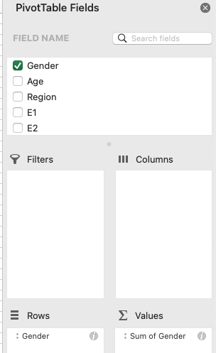
 | Drag field name "Gender" to the Rows box, and again drag field name Gender to the Values box (which changes to "Count of Gender"). Your summary table should now appear.
 | Copy the frequency counts (Paste Special > Values to the table above, then calculate % of total in cell C19, and copy and Paste Special > Formulas across, to determine % Respondents
Note: you can select multiple columns when you create PivotTables, then swap data in and out of the table. Better yet, duplicate (copy/paste) the PivotTable, and change the data source

1.2 Age category (column D) |  | 7 (<18) | 1 (18-24) | 2 (25-34) | 3 (35-44) | 4 (45-54) | 5 (55-64) | 6 (65+) | Total
 | # Respondents | 1 | 68 | 266 | 220 | 142 | 136 | 209 | 1042
 | % Respondents | 0.10 | 6.5259117083 | 25.527831094 | 21.113243762 | 13.63 | 13.1 | 20.1 | 100.00

A column chart works better with this data. Age is a categorical variable (grouped into ranges such as 18–24, 25–34, etc.) not a continuous variable. While a histogram is intended for continuous variable data, because age is already represented in categories 1 through 7 the column chart more effectively displays this data with appropriate category labels.
1.3 Age category column chart and Histogram
 | Using cells C17:I18 above, create a column chart of the age categories below. In the SustainabilityData sheet, create a Histogram of the Age column, and cut and pate that chart here. Which is a better representation of the data?
 | If your Column shows two series (a taller series showing C18:I18 and a shorter series showing C19:I19): click on any one of the shorter bars, and press the delete key to remove (and then remove the legend)
 | The Histogram defaults to some pretty ugly class intervals. Right-click on any one of the bars to bring up the Format Data Series panel, and change Bins from Auto to Bin width = 1 (and adjust the underflow and overflow as per below). [The range is > lower value and <= the upper value.]
Age Distribution of Survey Respondents
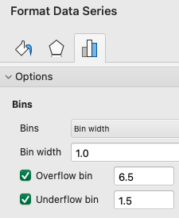
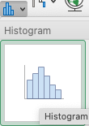

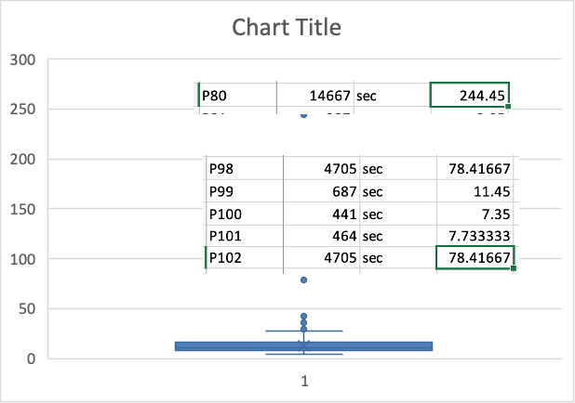
1.4 Income (column CE) (via PivotTable)
Cick on column CE of the SustainabilityData tab > Insert > Pivot Table. Drag field name "Income" to the Rows box, and again drag field name Income to the Values box (which changes to "Count of Income")
Paste Special > Values to row 42 below, then calculkate the % values below
 |  | 1: Up to $30,000 | 2: $30,001 - $50,000 | 3: $50,001 - $70,000 | 4: $70,001 - $100,000 | 5: $100,001 - $130,000 | 6: Over $130,000 | 7: Would rather not say | Total
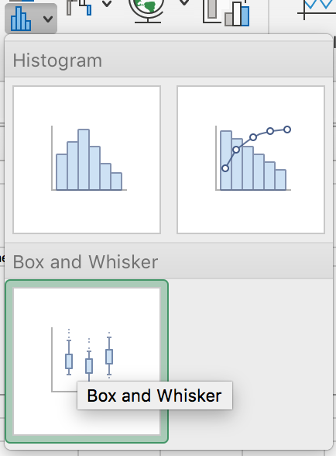
 | # Respondents | 116 | 167 | 170 | 181 | 132 | 99 | 177 | 1042
 | % Respondents | 11.13 | 16.027 | 16.31 | 17.37 | 12.67 | 9.50 | 16.99 | 100.00

1.5 Completion time Boxplot
 | Create a boxplot of the completion time - using the data in column B of the SustainabilityData sheet. (We have more data here than in Lab 1 Task 3, but with the same problem of outliers.)
 | Select column B rows 5 to 1046, then go to the 'Statistical' chart group and choose Box and Whisker
 | Give the chart a proper title and remove the X-axis data labelling (which is often pretty meaningless in Excel's version of the chart), and add an X-axis label "N=1042")
 | Place chart here: (resize chart to fit) |  | Optional boxplot: Truncated data (ignoring those over 50 minutes)

1.6 Ethnicity (SustainabilityData columns F to R)
Ethnicity requires some preparation, because it is a multiple response question (someone could indicate many ethnicities simultaneously)
1) | In cell SustainabilityData R5 insert this calculation: =IF(Q5=1,MAX(F5:O5),11), and copy down to R1046. What this does:
 | i) looks at the previous column, which calculates how many ethnicities the respondent has answered
 | ii) If the count is 1 (only one ethnicity answered), it inserts the largest number [the min value would also work, since Max=Min for only one value)
 | iii) Otherwise (if the count is more than one) it enters the value 11 (which means "multiple selections")
2) | In SustainabilityData cell F1048, get the count of the range F5:F1046 [nb: this is a simple count, not countif)
3) | Copy formula across G1048:O1048. These are total nominated ethnicity, whether 1 or multiple ethnic groups were selected, Copy (Paste Special > Values) here to row 76 of this sheet
4) | Get a PivotTable of single Ethnicity: In SustainabilityData, click on column R > Insert > Pivot Table (in a new worksheet)
5) | Drag field name "Ethnicity coded" to the Rows box, and again drag field name Ethnicity coded to the Values box (make sure it says "Count of Ethnicity coded"). Your summary table should now appear.
6) | Copy values (Paste Special: Values and Transpose) here to row 78
 |  | 1: New Zealand European | 2: Māori | 3: Samoan | 4: Cook Island Maori | 5: Tongan | 6: Niuean | 7: Chinese | 8: Indian | 9: Other(s) (specified) | 10: Rather not say | 11: Multiple
 | # Respondents (ANY ethnicity(ies) selected) | 735 | 64 | 7 | 5 | 4 | 4 | 47 | 74 | 148 | 17
 | % Respondents (ANY selected) | 70.5 | 6.1 | 0.7 | 0.5 | 0.4 | 0.4 | 4.5 | 7.1 | 14.2 | 1.6
 | # Respondents (ONE ethnicity selected) | 676 | 17 | 7 | 3 | 4 | 3 | 45 | 69 | 140 | 17 | 61
 | % Respondents (ONE ONLY selected) | 64.9 | 1.6 | 0.7 | 0.3 | 0.4 | 0.3 | 4.3 | 6.6 | 13.4 | 1.6 | 5.9
NZ European is the most selected ethnicity (ANY: 735, ONE: 676), so there are 59 people also selecting other ethnicities. Māori also had a lot of drops (64 → 17, so 47 of the people chose more than one). Indian (74 → 69) and Other(s) (148 → 140) present less of a difference. Conversely, Samoan, Tongan, and Don't know/Prefer not to say have no difference AT ALL between ANY and ONE, all of those who chose that group only chose that group. Niuean and Cook Island Māori both have very small drops (1 and 2).
7) | Contrast the ANY ethnicity counts in row 76 above with the ONE ethnicity counts in row 78: which ethnicities are more likely to have multiple selections, and which only one?

Hint: If you have constructed your statistics in the SustainabilityData sheet, you can copy to here, by pasting values only ('Paste Special' Values [to remove the formulas] and 'Transpose' to shift from a row orientation to a column orientation.
Alternatively you can complete the formulas here, but you won't be able to copy down so easily.
Task 2: Calculate sample size (N), Mean (x̅) and Std Deviation for the data in SustainabilityData columns BD and BE (To what extent do you agree with the following statements, using scale 1: Strongly disagree; 3: Neither disagree nor agree; 5: Strongly agree)
BD: | Retailers should be required to take back packaging they sell product in (including cardboard, bubble, wrap or filler, polystyrene…)
BE: | There should be a bottle deposit scheme, with customers reimbursed for taking back milk, juice and water bottles to the retailer or a recycle station

 | Agree/disagree Questions | Take Back Packaging (BD) |  |  |  |  | Bottle Deposit Scheme (BE)
 | Scale Responses (x) | Frequency count (f) | f x | Residuals: (x-- x̅ ) | Residuals squared: (x-- x̅ )2 | f * sqd Residuals f (x-- x̅ )2 | Frequency count (f) | f x | Residuals: (x-- x̅ ) | Residuals squared: (x-- x̅ )2 | f * sqd Residuals f (x-- x̅ )2
 | 1 | 39 | 39 | -2.80 | 7.8314035094 | 305.42473687 | 21 | 21 | -3.22 | 10.3483851 | 217.31608711
 | 2 | 69 | 138 | -1.80 | 3.2344745267 | 223.179 | 28 | 56 | -2.22 | 4.9146039102 | 137.609
 | 3 | 256 | 768 | -0.80 | 0.63754554397 | 163.21165926 | 162 | 486 | -1.22 | 1.4808227202 | 239.893
 | 4 | 377 | 1508 | 0.20 | 0.040616561242 | 15.312443588 | 324 | 1296 | -0.22 | 0.047041530204 | 15.241
 | 5 | 301 | 1505 | 1.20 | 1.4436875785 | 434.54996113 | 507 | 2535 | 0.78 | 0.61326034018 | 310.923
 | Sum | 1042 | 3958 |  |  | 1141.6775432 | 1042 | 4394 |  |  | 920.98272553
 | x̅ (mean) |  | 3.80 |  |  |  |  | 4.22
 | s (std dev) |  |  |  |  | 1.05 |  |  |  |  | 0.94

Hint: These are the descriptive statistics based on the raw data (see cells BD1054:BE1056)
Your calculations above based on the summarised table should match.
 | Short label | (sample size) N | Mean | Standard Deviation |  |  | (sample size) N | Mean | Standard Deviation
 | Return Packaging | 1042 | 3.7985 | 1.0472403436 |  | Bottle Deposit scheme | 1042 | 4.216890595 | 0.94059004389
 |  | =count() | =average() | =stdev()

Bonus Task 3: Qualitative Analysis of Brands
PivotTables not only analyse quantitative data - they can tabulate qualitative data too.
1) | Construct a PivotTable of FirstBrand … FifthBrand (columns AT:AX) for SustainabilityData), and paste results below. READ ALL THESE INSTRUCTIONS!
 | It would be tempting to put all the Brands columns into the Values box at once, but unfortunately that doesn’t work. Each Brand needs its own separate PivotTable
 | Ideally we would be coding these entries: converting store names to a number (making allowances for alternative spellings of the same company) and counting the codes
 | [eg 'Warehouse' and 'The Warehouse'; 'EcoStore' and 'Ecostore' and 'Eco Store' and 'Eco store' …].
 | Doing so usually involves two people doing the coding independently, and cross-checking. For example: is "count" short for Countdown, Country Road, or something else?
 | Is Eco Shop the same as ecostore? (Which is the correct capitalisation, even though no respondent put it that way!) What about Eco?
 | What do we do with all the "I don't know" or "Can’t think" or "None" or … (there are many variations on this, because a response (of any kind) was required for FirstBrand.
 | To simplify this a bit, I have created a new tab (All Brand Mentions) which reproduces the FirstBrand column, removing all non-brand mentions that I could easily identify.
 | I then combined in a second column all the First, Second….FifthBrand mentions into one continuous column, sorted alphabetically.
 | As a result there are 708 FirstBrand mentions (some of which might still be nonsense, and many of which can be collapsed due to variations in spelling); and 1729 mentions of any brand in any ranking
 | Use the All Brand Mentions tab to create your Pivot Tables.
2) | Which five brands are most frequently top-of-mind? (ie, first mentioned)
 | Create a FirstMentions PivotTable, and sort-descending (right-click any result row eg Count of FirstMentions for Allbirds) and Sort > Sort Largest to Smallest. Paste the results below under 'Top-of-Mind'
 | Bear in mind that the ranking might change once you combine the multiple spellings, name variations, and sub-brands
3) | Which five brands are the most mentioned overall (any rank)?
 | Create an AllMentions PivotTable, and sort-descending (right-click any result row eg Count of AllMentions for Allbirds) and Sort > Sort Largest to Smallest. Paste the results below under 'Any ranking'
NB: | To navigate any large data file, you can freeze the first row, so the headings stay put as you scroll down. Click the View menu > click Freeze Top Row
 | NB: to freeze multiple rows (and/or columns), click in a cell BENEATH/RIGHT OF where you want to freeze, and click 'Freeze Panes'. (That is what I did to the SustainabilityData file, where the top 4 rows are frozen.)

 | Top-of-Mind: Top 5 |  |  | Top 5: Any ranking
Rank | Brand/Company | Frequency |  | Brand/Company | Frequency
1 | Ecostore | 80 |  | Eco Store | 114
2 | Warehouse | 55 |  | Warehoues | 105
3 | Count Down | 40 |  | Countdown | 92
4 | Kathmandu | 37 |  | kathmandu | 52
5 | Meridian | 21 |  | New World | 48

<<End of Lab 4>>

AI Declaration for Lab 4:
TRUE | I have not used any AI tools or technologies to prepare this assessment
 | OR
FALSE | I acknowledge the use of [AI tool or technology name and link] to generate [summary of what was generated]:
AI tool used:
I entered the following prompt(s):
I used the output to / I modified the output to: [expand as necessary]

